Readme
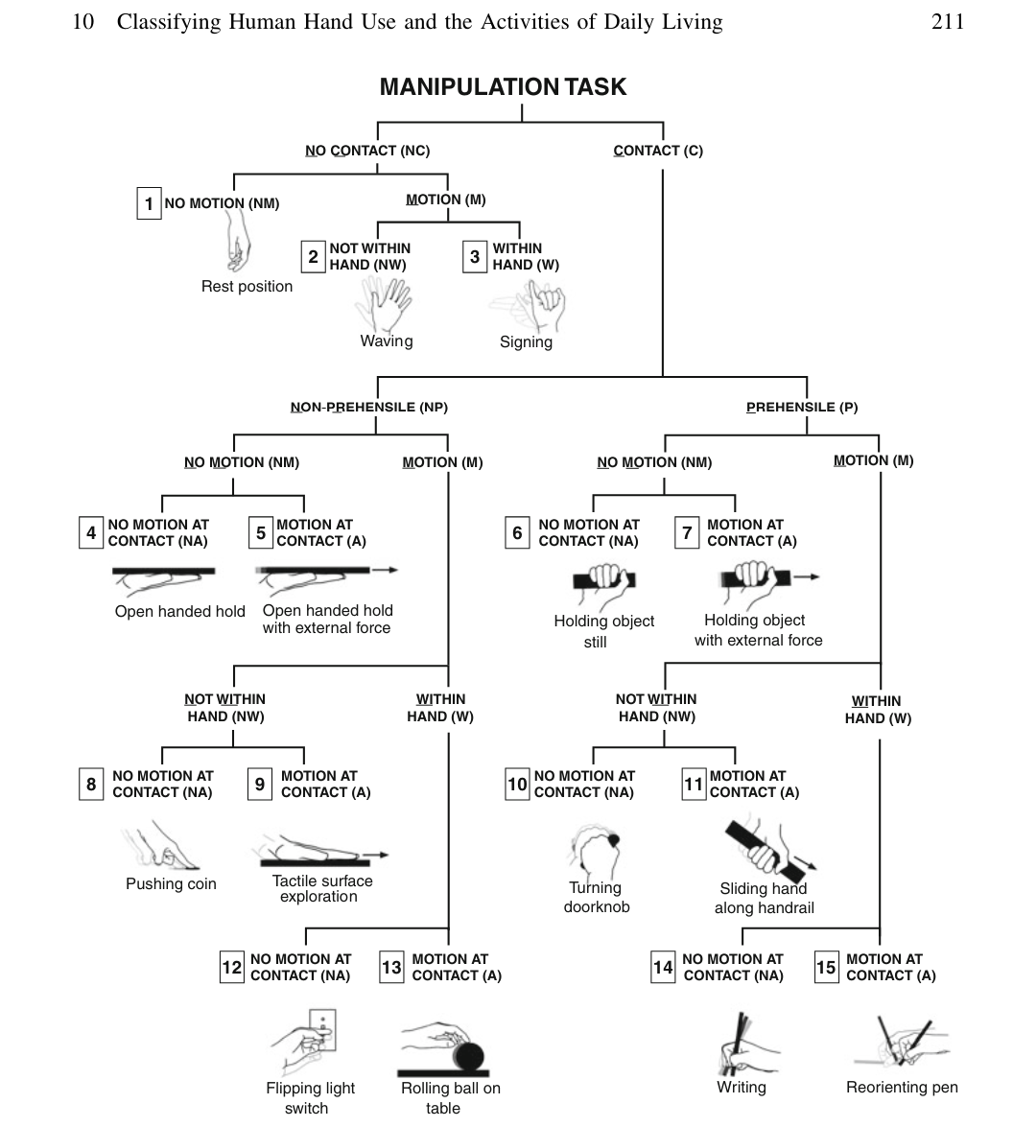
The following columns should be filled:

Columns | Explanation | Possible values
Taxonomy | Number of category according to https://www.eng.yale.edu/grablab/pubs/Dollar_STAR14.pdf | 1 to 15
Number of Fingers | How many fingers do you normally use when performing this task? | 0, 1, 2, 3, 4, 5, >5
Minimal nb. of fingers required | How many fingers do you think are minimally required to achieve the task? | 0, 1, 2, 3, 4, 5, >5
Palm | Which type of palm is required in such task? | No palm, Small rigid palm, Large rigid palm, Small flexible Palm, Large flexible palm
Reposition / Opposition | Are you actively performing one of them? or none?, or switching in between? | Either of the two, Reposition, Opposition, Switching
Abduction / Adduction | Are you actively performing one of them? or none?, or switching in between? | Either of the two, Abduction, Adduction, Switching
Flexion/Extension | Are you actively performing one of them? or none?, or switching in between? | Either of the two, Flexion, Extension, Switching
Haptic Feedback | When performing the task, do you need haptic feedback? | Yes / No
Kinesthetic Feedback | When performing the task, do you need kinesthetic feedback? (Feeling of tension in muscles, position of joints etc.) | Yes / No
Visual Feedback | When performing the task, do you need visual feedback? | Yes / No
Complex Task | Do you consider this as a complex task or not? | Yes / No

Note: | The task starts when the fingers are touching the object and ends, when the goal is reached. For example: "Screwing a bottle cap": The task starts when the fingers are already touching the cap and ends when the bottle is opened. Regarding the columns: In some tasks, deciding whether or not a hand characteristic or hand movement is necessary to solve a task is non-trivial. For example "Screwing a bottle cap": Is opposition of the fingers necessary? Yes, because the thumb would have to face the other fingers to open it. Is adbuction and adduction necessary? Probably not, because without that ability, opening the bottle would still be possible.

Search Criteria | Values
Search Platforms | Google Scholar, IEEE
Publication Year | from 2019 to 2025 (May)
Language | English
Index Terms | (hand or gripper) and (manipulation or grasping or grip or skill)
Publication Type | Journal, Conference
Hand Type | Robotic or Prosthetic hand
Number of pages | At least 4
Number of Citations | At least 1

Additional Information

Natural rest hand position
https://www.dxtmouse.com/the-true-neutral-position-of-the-hand-in-ergonomics/#:~:text=From%20pictures%201%20and%202,the%20pads%20of%20the%20fingers.
https://www.researchgate.net/publication/261488595_Thermographic_analysis_of_hand_structure_when_subjected_to_controlled_effort
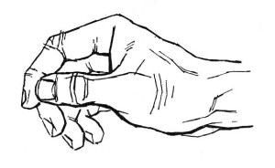
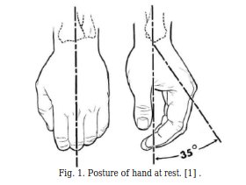

Fingers Motions
https://www.researchgate.net/publication/348437896_Suitability_of_the_Openly_Accessible_3D_Printed_Prosthetic_Hands_for_War-Wounded_Children
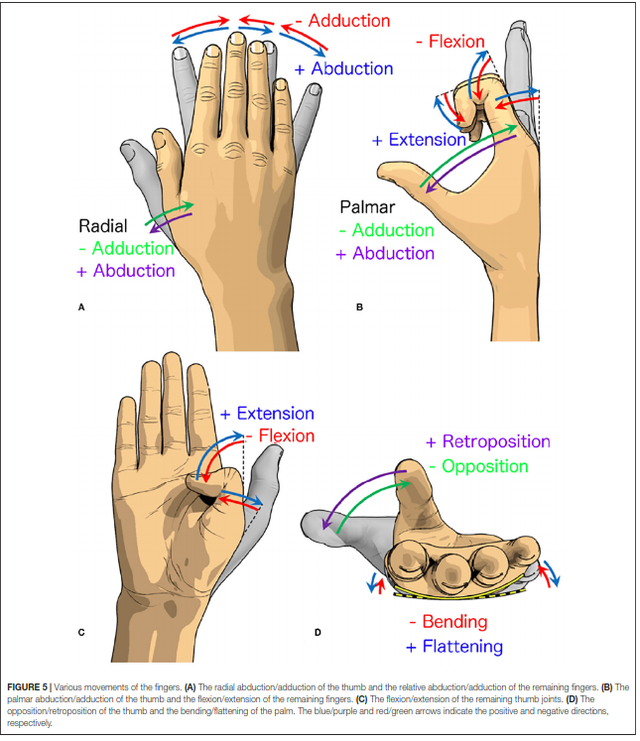

Human Hand Use
https://www.eng.yale.edu/grablab/pubs/Dollar_STAR14.pdf

